Starting Planet
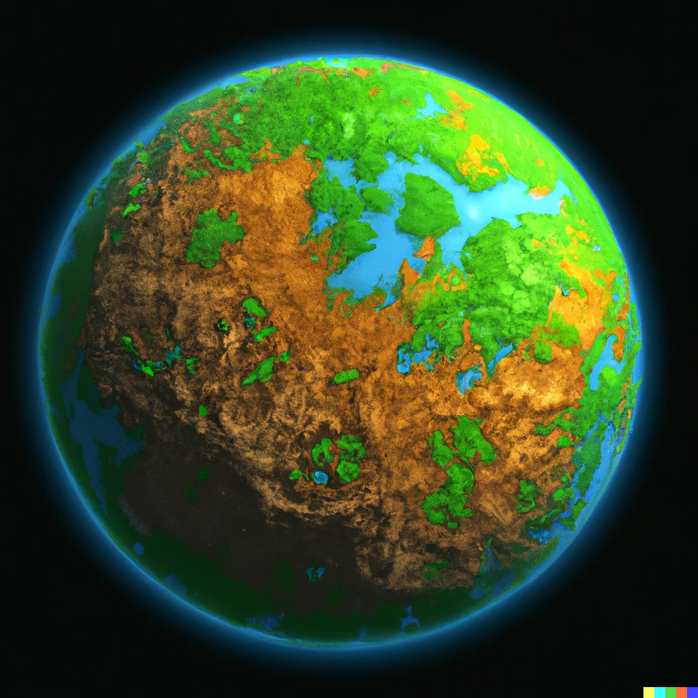
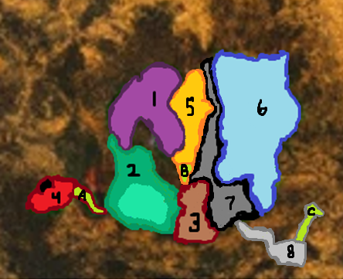
 | Locations
1 | Azurali Plains | Azurali Plains |  | Noxious Wetlands |  | Rocky Outcropping |  | Ancient Ruins
2 | Noxious Wetlands
3 | Rocky Outcropping | Forageables: | Azurali Grass, Georoot, Rock, Stick, Feather, Droppings, Grub | Forageables: | Petrol Berry, Rock, Stick, Log, Vine, Frogtails, Tar | Forageables: | Rock, Sibara Flowers, Quicksilver | Forageables: | none
4 | Ancient Ruins
5 | Plateau | Creatures: | Boombeak, Carapig, Tardihop, Grizzix | Creatures: | Shock Mollusk, Lurking Leaf, Fire Fly, Acidile | Creatures: | Crag Lion, | Creatures: | none
6 | Cobalt Forest | General Building slots: | Crafting, Defense, Drone, Farm, Herbalism, Hunting, Shelter, Storage | General Building slots: | Crafting, Defense, Drone, Fishing, Herbalism, Hunting, Shelter, Storage | General Building slots: | Crafting, Defense, Drone, Fishing, Herbalism, Hunting, Shelter, Storage | General Building slots: | Crafting, Defense, Drone, Fishing, Herbalism, Hunting, Shelter, Storage
7 | Dark Chasm | Special Buildings | Bow Training Minigame | Special Buildings | Energy Defense Minigame | Special Buildings | Bridge to Forest, Energy Defense Minigame | Special Buildings | Psychic Attack Minigame
8 | Ancient Factory | Missions |  | Missions | Psycher Valley | Progress Missions | Scale The Cliffs | Progress Missions
 | Dungeons
A | Psycher Valley
B | Scale the Cliffs
C | The Forge

 |  |  |  | Psycher Valley |  | Scale The Cliffs
 |  |  |  | Creatures: | Sleep Stalker, Marmopsycher, Brain Slug, Confushroom, Forget-Me-Now, Shimmer Swarm | Creatures:
 |  |  |  | Unlocks: | Locations: Ancient Ruins, Skill: Psychic | Unlocks:

